top accounts by users
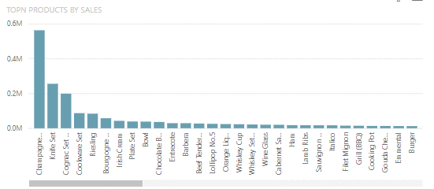
Top account by usage | USAGE DROP DOWN
 | licensed users
 | working users
 | low % user usage ( working / licenses )
 | high % user usage ( working / licenses )
 | contacts
 | buyers
 | working buyers
 | low % buyers usage ( working / buyers)
 | high % buyers usage ( working /nuyers )

filter by region
filter by country
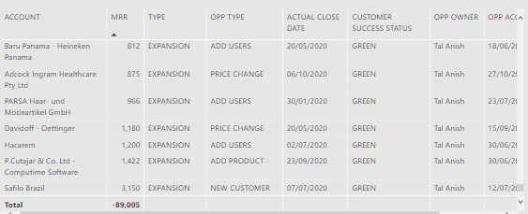

 |  | account | mrr | CRM users | won date | SFA license | Storefront license

